Sheet1
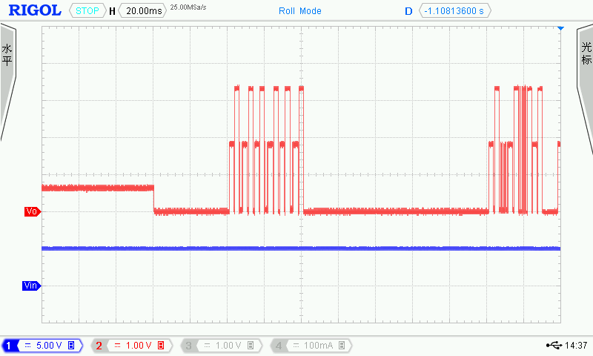

Part 1：
Ping了 6次，中间Master发了3个数据
 |  | Master | Ping 1
 |  | Slave | Ping 1
 |  | Master | 0000_0001_0 | ？？ | Device_Type?
 |  | Master | Ping 2
 |  | Slave | Ping 2
 |  | Master | Ping 3
 |  | Slave | Ping 3
 |  | Master | 0000_0001_0
 |  | Master | Ping 4
 |  | Slave | Ping 4
 |  | Master | Ping 5
 |  | Slave | Ping 5
 |  | Master | 0000_0001_0
 |  | Master | Ping 6
 |  | Slave | Ping 6

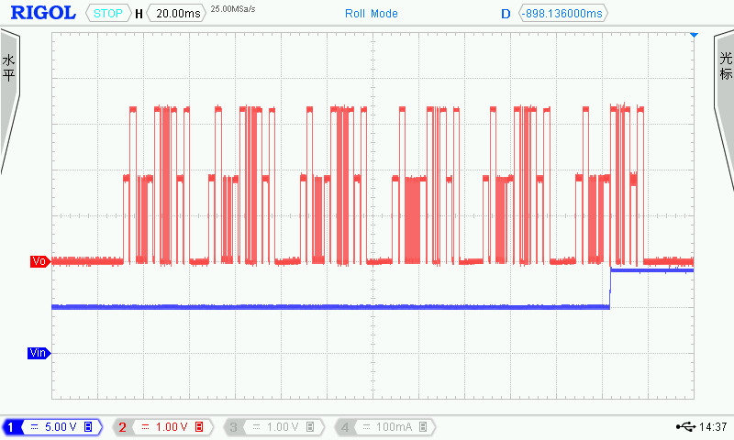
1
Master
0000 1100 1
0000 0100 0
1110 0010 1
Slave
0000 1000 0
1010 1100 1
1101 0000 0
 |  |  |  |  |  | read

1
2
3
4
5
6

 |  |  |  |  |  | ID_OUT0(OX04)--address

 |  |  |  |  |  | CRC

 |  |  |  |  |  | ACK

 |  |  |  |  |  | ID_OUT0(OX04)--data

 |  |  |  |  |  | CRC

2
Master
0000 1100 1
0010 0001 1
1011 0000 0
Slave
0000 1000 0
0000 0010 0
0111 0110 0
 |  |  |  |  |  | read

 |  |  |  |  |  | DISCRETE_CAPABILITIES(0X21)--address

3
Master
0000 1100 1
0011 0010 0
0010 0000 0
Slave
0000 1000 0
0111 1000 1
1000 0110 0
4
Master
0000 1011 0
0010 1100 0
0101 1010 1
Slave
0011 0100 0
0000 1000 0
1111 0001 0
read | write |  |  |  |  | CRC

DISCRETE_OUT_V2(0X32)--address |  |  |  |  |  | ACK
 | 0X2C

 |  |  |  |  |  | 2
CRC | 9V

ACK | CRC |  |  |  |  | CRC

12V
 | ACK

CRC | CRC

5
Master
0000 1100 1
0010 1100 0
1001 1100 1
Slave
0000 1000 0
0101 1010 1
0111 1011 1
6
Master
0000 1011 0
0010 1011 1
0000 0001 0
Slave
1110 1101 1
0000 1000 0
1111 0001 0
read |  | write

VOUT_CONFIG(0X2C)--address |  | OUTPUT_CONTROL(0X23)

CRC |  | 1 | 转电压

5V to 9V
ACK |  |  | CRC

9V |  | ACK

 |  | CRC
CRC

